Info
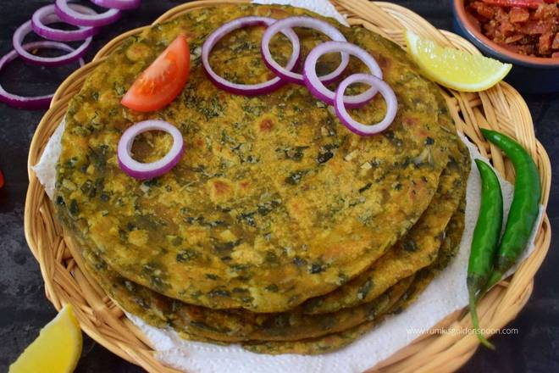
🍊 Restaurant Information

Name | Joshi Gruh Udhyog
Area | Gorwa
Rating | --
Total Ratings | Too Few Ratings
Cuisines | Snacks
Cost for Two | ₹100 for two
Delivery Time | 34 mins
Swiggy URL | https://www.swiggy.com/city/vadodara/joshi-gruh-udhyog-krishna-estate-gorwa-rest584526
Scraped On | 18 Mar 2026, 11:01 am

── Menu Stats ──
Total Items | 3
Veg Items | 0
Non-Veg Items | 0
Bestsellers | 0
Items with Photo | 0
Categories | Snacks

