Info
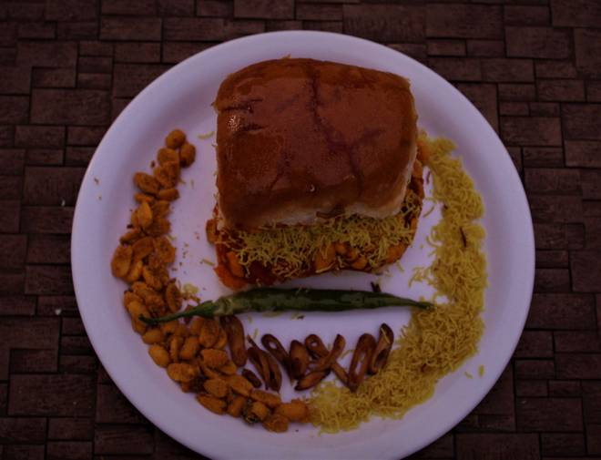
🍊 Restaurant Information

Name | Kapil Nasta House
Area | Mandvi
Rating | --
Total Ratings | Too Few Ratings
Cuisines | Street Food, Indian
Cost for Two | ₹120 for two
Delivery Time | 37 mins
Swiggy URL | https://www.swiggy.com/city/vadodara/kapil-nasta-house-mandvi-rest434928
Scraped On | 18 Mar 2026, 11:05 am

── Menu Stats ──
Total Items | 5
Veg Items | 0
Non-Veg Items | 0
Bestsellers | 0
Items with Photo | 2
Categories | Potato Varieties

