Info
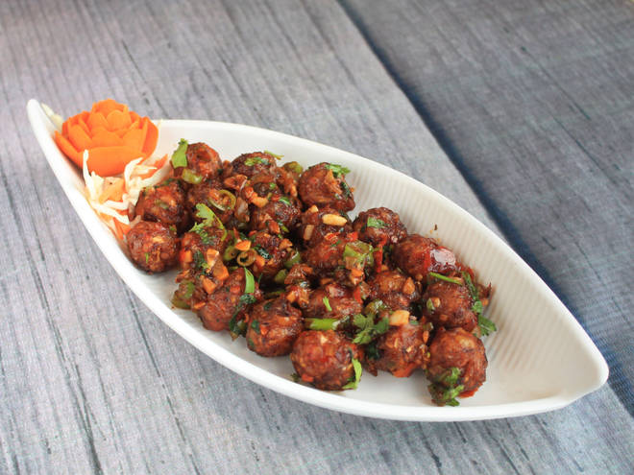
🍊 Restaurant Information

Name | King Chinese Food
Area | Vadiwadi
Rating | --
Total Ratings | Too Few Ratings
Cuisines | Chinese
Cost for Two | ₹200 for two
Delivery Time | 62 mins
Swiggy URL | https://www.swiggy.com/city/vadodara/king-chinese-food-vadiwadi-rest487370
Scraped On | 18 Mar 2026, 11:05 am

── Menu Stats ──
Total Items | 0
Veg Items | 0
Non-Veg Items | 0
Bestsellers | 0
Items with Photo | 0
Categories

