Info
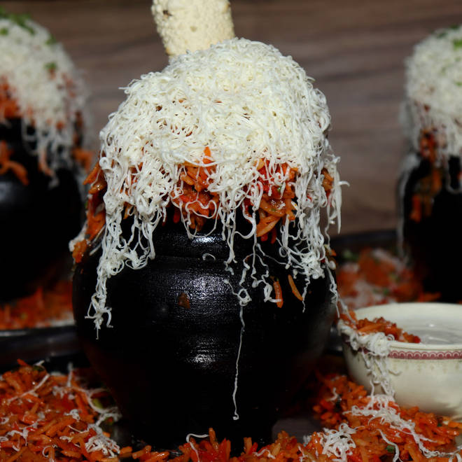
🍊 Restaurant Information

Name | Kiran Food
Area | Fatehgunj
Rating | 4.2
Total Ratings | 9.5K+ ratings
Cuisines | Indian, Chinese
Cost for Two | ₹350 for two
Delivery Time | 40 mins
Swiggy URL | https://www.swiggy.com/city/vadodara/kiran-food-fatehgunj-rest87824
Scraped On | 18 Mar 2026, 11:03 am

── Menu Stats ──
Total Items | 0
Veg Items | 0
Non-Veg Items | 0
Bestsellers | 0
Items with Photo | 0
Categories

