Info
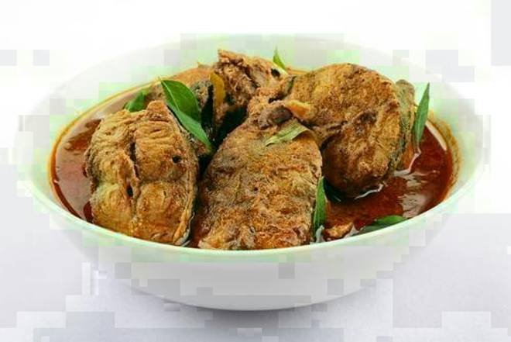
🍊 Restaurant Information

Name | Kolkata to Vadodara
Area | Waghodia
Rating | 4
Total Ratings | 8 ratings
Cuisines | Bengali
Cost for Two | ₹200 for two
Delivery Time | 47 mins
Swiggy URL | https://www.swiggy.com/city/vadodara/kolkata-to-vadodara-waghodia-rest413056
Scraped On | 18 Mar 2026, 11:05 am

── Menu Stats ──
Total Items | 37
Veg Items | 0
Non-Veg Items | 0
Bestsellers | 0
Items with Photo | 4
Categories | Recommended, Combos, Starters, Indian Breads, Chinese, Main Course, Rice

