Info
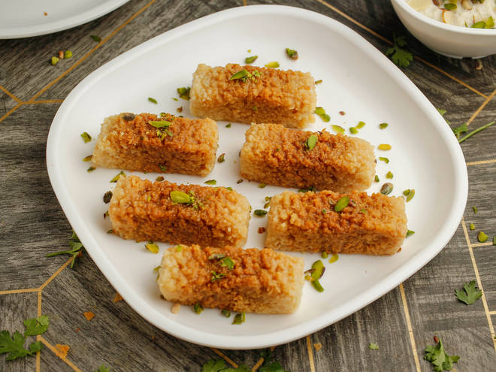
🍊 Restaurant Information

Name | Krishna Sweet and Farsan
Area | Harni
Rating | --
Total Ratings | Too Few Ratings
Cuisines | Sweets, Snacks
Cost for Two | ₹500 for two
Delivery Time | 46 mins
Swiggy URL | https://www.swiggy.com/city/vadodara/krishna-sweet-and-farsan-harni-rest513910
Scraped On | 18 Mar 2026, 10:57 am

── Menu Stats ──
Total Items | 4
Veg Items | 0
Non-Veg Items | 0
Bestsellers | 0
Items with Photo | 3
Categories | Milk Shake

