Info
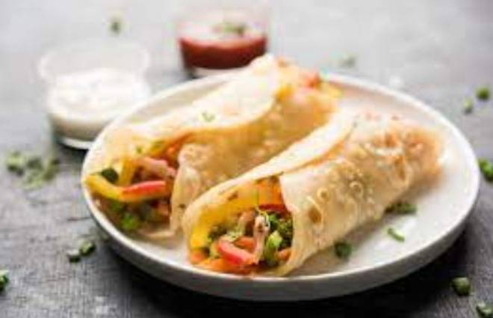
🍊 Restaurant Information

Name | Lalakaka Sevusal Kirtistambhwala
Area | Mandvi
Rating | 4.1
Total Ratings | 3 ratings
Cuisines | Cafe
Cost for Two | ₹199 for two
Delivery Time | 51 mins
Swiggy URL | https://www.swiggy.com/city/vadodara/lalakaka-sevusal-kirtistambhwala-mandvi-rest1026702
Scraped On | 18 Mar 2026, 11:03 am

── Menu Stats ──
Total Items | 17
Veg Items | 0
Non-Veg Items | 0
Bestsellers | 0
Items with Photo | 0
Categories | Sevusal, Frankies, Maggie

