Info
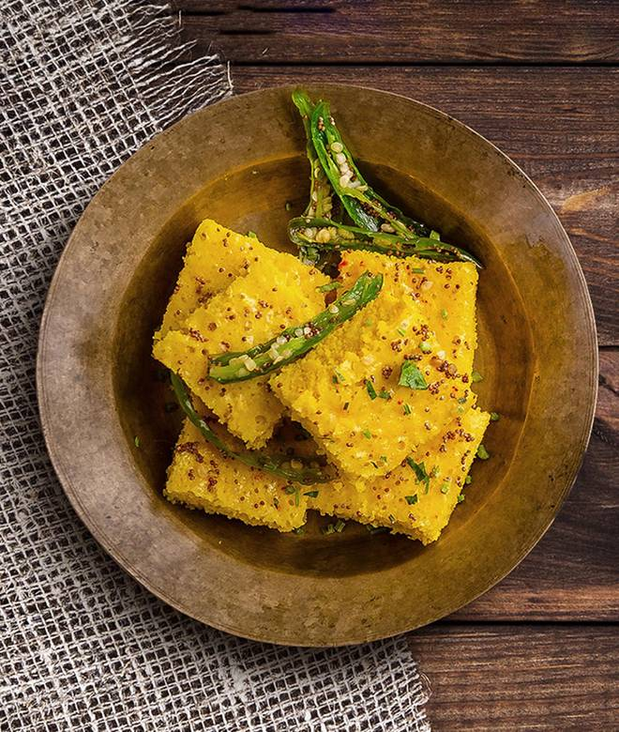
🍊 Restaurant Information

Name | MAA CHAMUNDA RESTAURANT
Area | Mandvi
Rating | NEW
Total Ratings
Cuisines | Thalis, Gujarati
Cost for Two | ₹200 for two
Delivery Time | 44 mins
Swiggy URL | https://www.swiggy.com/city/vadodara/maa-chamunda-restaurant-mandvi-rest1348964
Scraped On | 18 Mar 2026, 10:57 am

── Menu Stats ──
Total Items | 19
Veg Items | 0
Non-Veg Items | 0
Bestsellers | 0
Items with Photo | 0
Categories | Starters

