Info
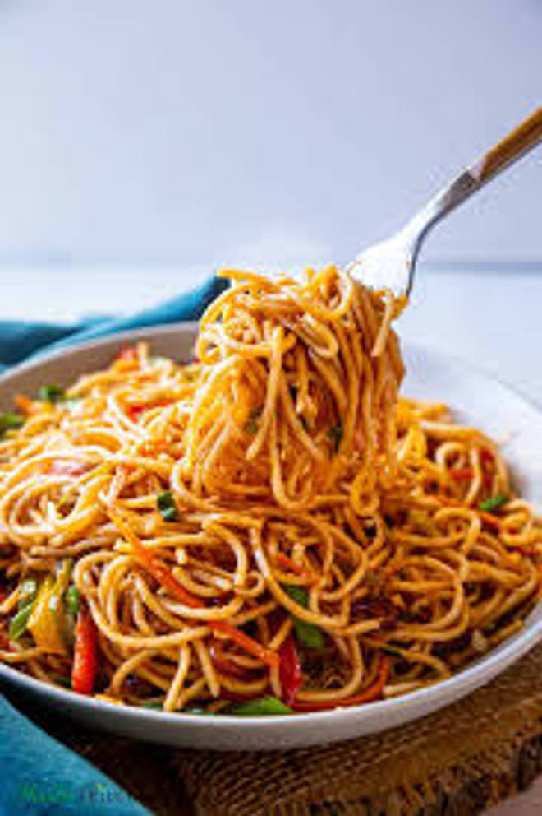
🍊 Restaurant Information

Name | Ma Ka Kitchen
Area | Mandvi
Rating | NEW
Total Ratings
Cuisines | Fast Food
Cost for Two | ₹100 for two
Delivery Time | 50 mins
Swiggy URL | https://www.swiggy.com/city/vadodara/ma-ka-kitchen-mandvi-rest1287551
Scraped On | 18 Mar 2026, 10:57 am

── Menu Stats ──
Total Items | 29
Veg Items | 0
Non-Veg Items | 0
Bestsellers | 0
Items with Photo | 24
Categories | Mains, Drinks, Quick Bites, Rotis

