Info
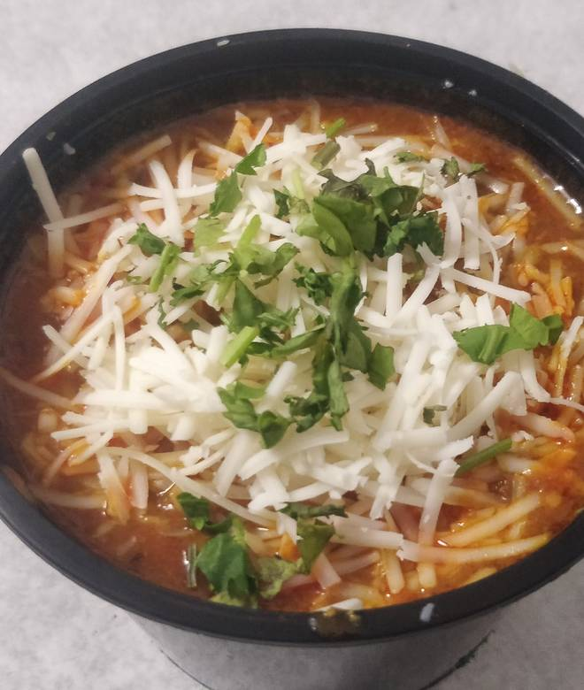
🍊 Restaurant Information

Name | Maa ka Tiffin
Area | Kendranagar
Rating | 3.9
Total Ratings | 229 ratings
Cuisines | Indian, North Indian
Cost for Two | ₹275 for two
Delivery Time | 45 mins
Swiggy URL | https://www.swiggy.com/city/vadodara/maa-ka-tiffin-waghodia-kendranagar-rest625222
Scraped On | 18 Mar 2026, 10:56 am

── Menu Stats ──
Total Items | 43
Veg Items | 0
Non-Veg Items | 0
Bestsellers | 0
Items with Photo | 38
Categories | Recommended, Meals, Rice, Main Course, Pav Bhaji, Extras, Large Order

