Info
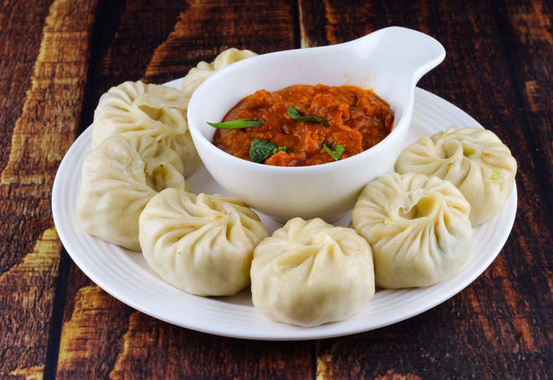
🍊 Restaurant Information

Name | Mahhi Omlet & Chinese
Area | Karelibaug
Rating | 4.8
Total Ratings | 4 ratings
Cuisines | Chinese, Fast Food
Cost for Two | ₹300 for two
Delivery Time | 39 mins
Swiggy URL | https://www.swiggy.com/city/vadodara/mahhi-omlet-and-chinese-karelibaug-rest496973
Scraped On | 18 Mar 2026, 11:04 am

── Menu Stats ──
Total Items | 0
Veg Items | 0
Non-Veg Items | 0
Bestsellers | 0
Items with Photo | 0
Categories

