Info
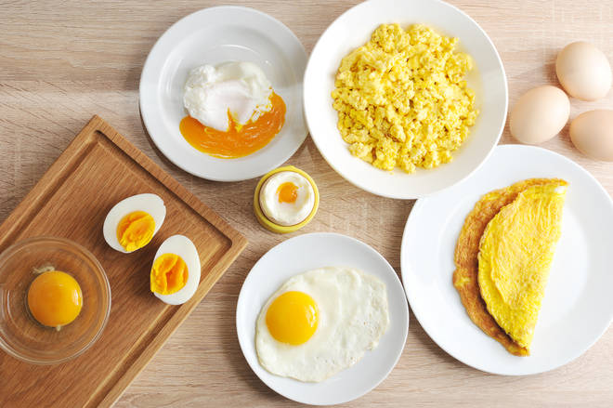
🍊 Restaurant Information

Name | Maji Sainik Omlet Centre (Haji usman bhai)
Area | Akota
Rating | 4.3
Total Ratings | 7.7K+ ratings
Cuisines | Mughlai, Fast Food
Cost for Two | ₹200 for two
Delivery Time | 37 mins
Swiggy URL | https://www.swiggy.com/city/vadodara/maji-sainik-omlet-centre-haji-usman-bhai-alkapuri-akota-rest69867
Scraped On | 18 Mar 2026, 10:58 am

── Menu Stats ──
Total Items | 107
Veg Items | 0
Non-Veg Items | 0
Bestsellers | 0
Items with Photo | 78
Categories | Recommended, Maji Bhurji Special, Extra Toppings, Large Order, Maji Italian Special (Customer Favourite), Special Maji Varieties, Starters & Appetizer, Ramzan Specials, Maji Rice Special, Maji Half Special, Maji Tikka Special, Maji Omelette Special, Special Maji Eggless

