Info
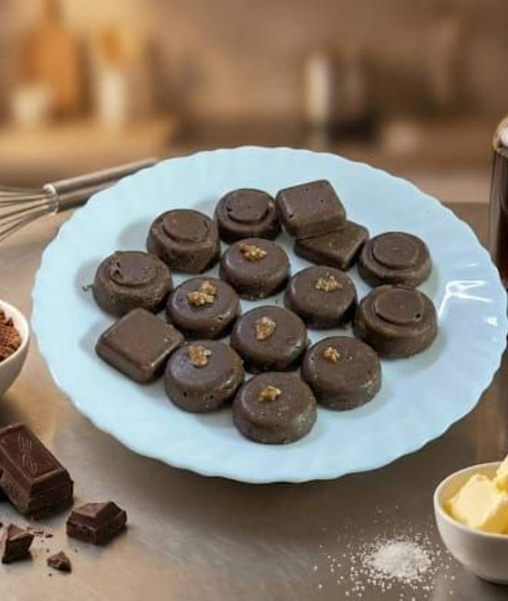
🍊 Restaurant Information

Name | Mallika's Home Kitchen
Area | Akota
Rating | NEW
Total Ratings
Cuisines | Desserts, Punjabi
Cost for Two | ₹200 for two
Delivery Time | 27 mins
Swiggy URL | https://www.swiggy.com/city/vadodara/mallikas-home-kitchen-akota-rest1291912
Scraped On | 18 Mar 2026, 10:56 am

── Menu Stats ──
Total Items | 4
Veg Items | 0
Non-Veg Items | 0
Bestsellers | 0
Items with Photo | 4
Categories | Desserts

