Info
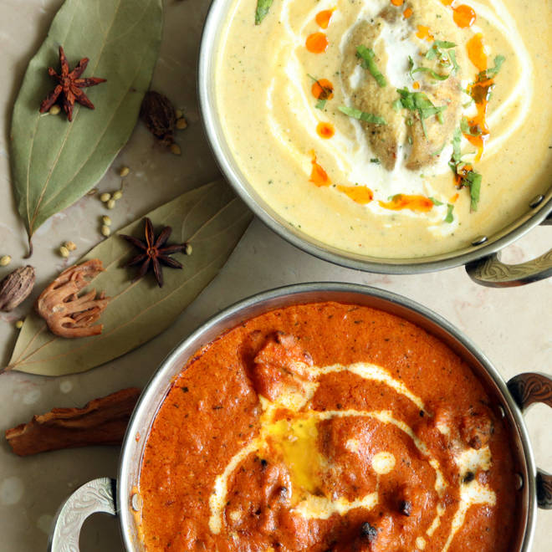
🍊 Restaurant Information

Name | Mandvi
Area | Alkapuri
Rating | --
Total Ratings | Too Few Ratings
Cuisines | North Indian
Cost for Two | ₹1200 for two
Delivery Time | 27 mins
Swiggy URL | https://www.swiggy.com/city/vadodara/mandvi-alkapuri-rest67878
Scraped On | 18 Mar 2026, 10:57 am

── Menu Stats ──
Total Items | 1
Veg Items | 0
Non-Veg Items | 0
Bestsellers | 0
Items with Photo | 1
Categories | Pastas

