Info
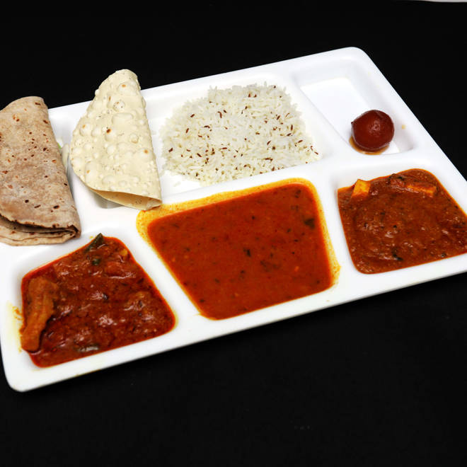
🍊 Restaurant Information

Name | Mayur Sweets and Farsan
Area | Karelibaug
Rating | --
Total Ratings | Too Few Ratings
Cuisines | Sweets
Cost for Two | ₹200 for two
Delivery Time | 49 mins
Swiggy URL | https://www.swiggy.com/city/vadodara/mayur-sweets-and-farsan-harni-road-karelibaug-rest92585
Scraped On | 18 Mar 2026, 11:05 am

── Menu Stats ──
Total Items | 0
Veg Items | 0
Non-Veg Items | 0
Bestsellers | 0
Items with Photo | 0
Categories

