Info
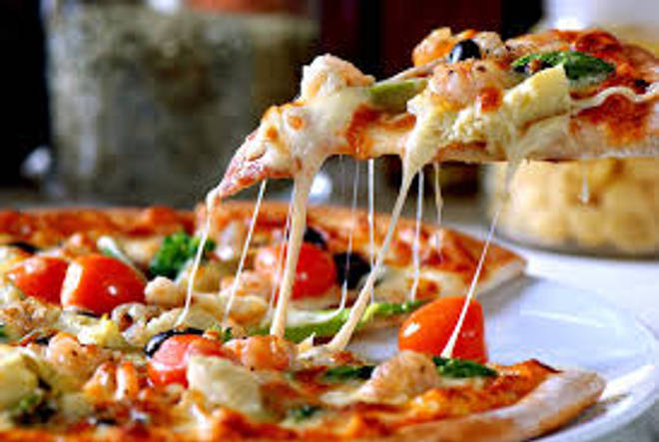
🍊 Restaurant Information

Name | Mr Burger Cafe
Area | Mandvi
Rating | --
Total Ratings | Too Few Ratings
Cuisines | Fast Food, Burgers
Cost for Two | ₹300 for two
Delivery Time | 45 mins
Swiggy URL | https://www.swiggy.com/city/vadodara/mr-burger-cafe-waghodia-rd-mandvi-rest882979
Scraped On | 18 Mar 2026, 10:57 am

── Menu Stats ──
Total Items | 0
Veg Items | 0
Non-Veg Items | 0
Bestsellers | 0
Items with Photo | 0
Categories

