Info
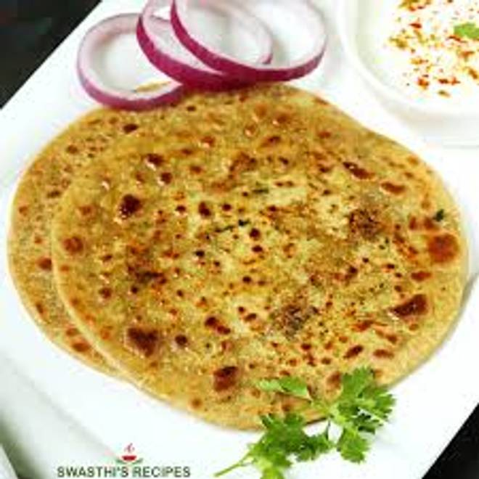
🍊 Restaurant Information

Name | Mumma's Menu
Area | Mandvi
Rating | 4.5
Total Ratings | 9 ratings
Cuisines | Punjabi, Maharashtrian
Cost for Two | ₹250 for two
Delivery Time | 49 mins
Swiggy URL | https://www.swiggy.com/city/vadodara/mummas-menu-mandvi-rest1311496
Scraped On | 18 Mar 2026, 11:02 am

── Menu Stats ──
Total Items | 35
Veg Items | 0
Non-Veg Items | 0
Bestsellers | 0
Items with Photo | 35
Categories | Farali special, Maggi, Parathas, Summer special, Gudi padwa special, Rotis, Extras, Sabji, Thepla, Today's special

