Info
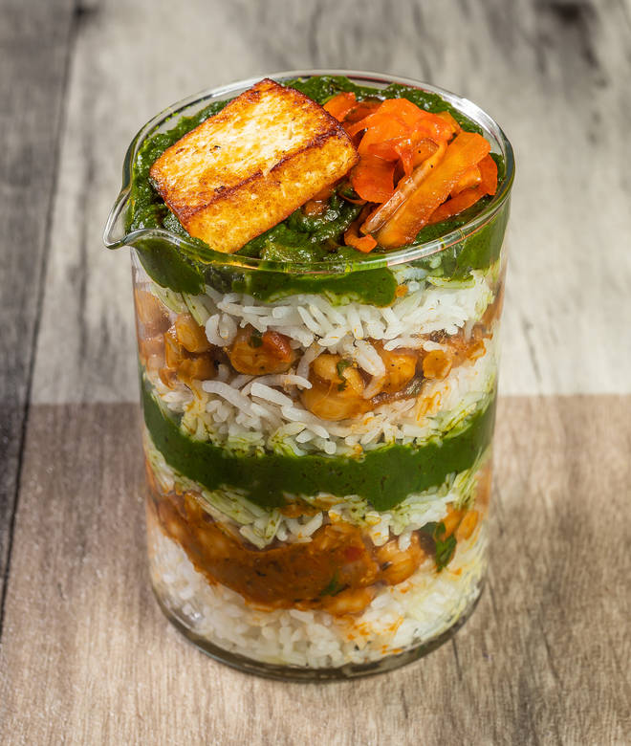
🍊 Restaurant Information

Name | Mushi's Kitchen
Area | Ajwa Road
Rating | 5
Total Ratings | 8 ratings
Cuisines | Chaat, Middle Eastern
Cost for Two | ₹300 for two
Delivery Time | 57 mins
Swiggy URL | https://www.swiggy.com/city/vadodara/mushis-kitchen-natvarnagar-ajwa-road-rest1336130
Scraped On | 18 Mar 2026, 11:01 am

── Menu Stats ──
Total Items | 16
Veg Items | 0
Non-Veg Items | 0
Bestsellers | 0
Items with Photo | 9
Categories | Paratha Corner, Middle Eastern Special, Healthy & Fresh, Chaat corner, Shakes & Beverages

