Info
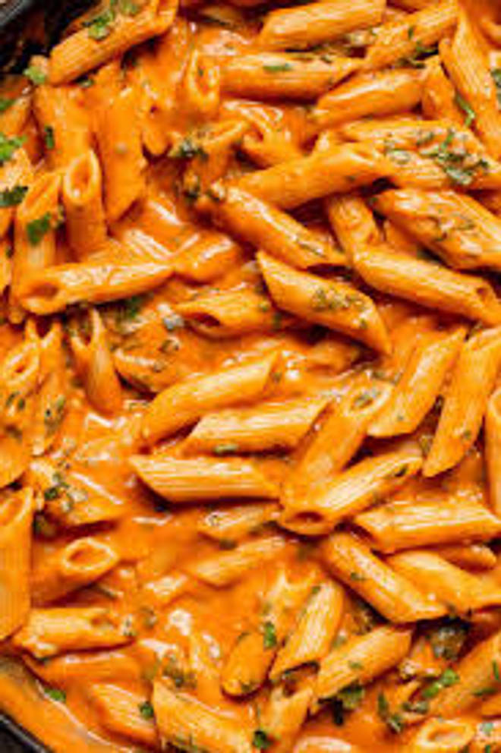
🍊 Restaurant Information

Name | Naishu'S Cafe
Area | Akota
Rating | --
Total Ratings | Too Few Ratings
Cuisines | Juices, Pastas
Cost for Two | ₹200 for two
Delivery Time | 28 mins
Swiggy URL | https://www.swiggy.com/city/vadodara/naishus-cafe-akota-rest1023161
Scraped On | 18 Mar 2026, 10:57 am

── Menu Stats ──
Total Items | 18
Veg Items | 0
Non-Veg Items | 0
Bestsellers | 0
Items with Photo | 8
Categories | Pastas, Coffee And Shakes, Rissoto / rice

