Info
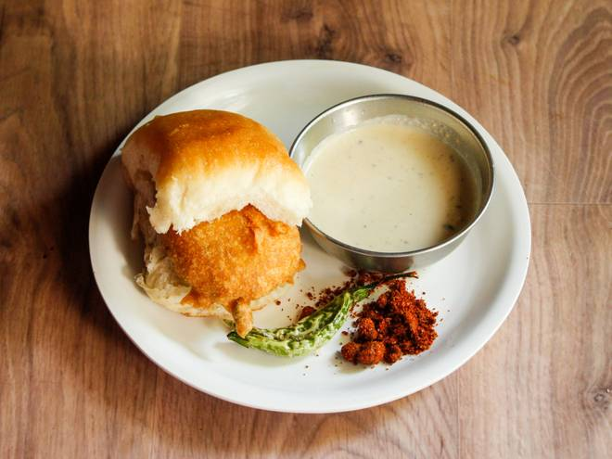
🍊 Restaurant Information

Name | Nandha's Street Eats
Area | Harni
Rating | --
Total Ratings | Too Few Ratings
Cuisines | South Indian, Maharashtrian
Cost for Two | ₹100 for two
Delivery Time | 50 mins
Swiggy URL | https://www.swiggy.com/city/vadodara/nandhas-street-eats-fatehgunj-harni-rest1189818
Scraped On | 18 Mar 2026, 10:58 am

── Menu Stats ──
Total Items | 31
Veg Items | 0
Non-Veg Items | 0
Bestsellers | 0
Items with Photo | 31
Categories | Buy 2 Get 1 Free, Sandwich, Vada pav, Vada and bhajiya, Breakfast, Milkshakes, Drinks

