Info
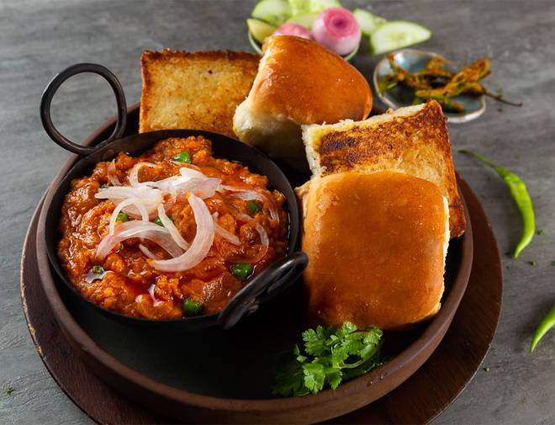
🍊 Restaurant Information

Name | Naylon Pavbhaji & Pulav House
Area | Sayajipura
Rating | 3.1
Total Ratings | 17 ratings
Cuisines | Indian
Cost for Two | ₹300 for two
Delivery Time | 51 mins
Swiggy URL | https://www.swiggy.com/city/vadodara/naylon-pavbhaji-and-pulav-house-ajwa-road-sayajipura-rest652546
Scraped On | 18 Mar 2026, 11:01 am

── Menu Stats ──
Total Items | 10
Veg Items | 0
Non-Veg Items | 0
Bestsellers | 0
Items with Photo | 3
Categories | Recommended, Pav Bhaji, Extra, Veg Pulao

