Info
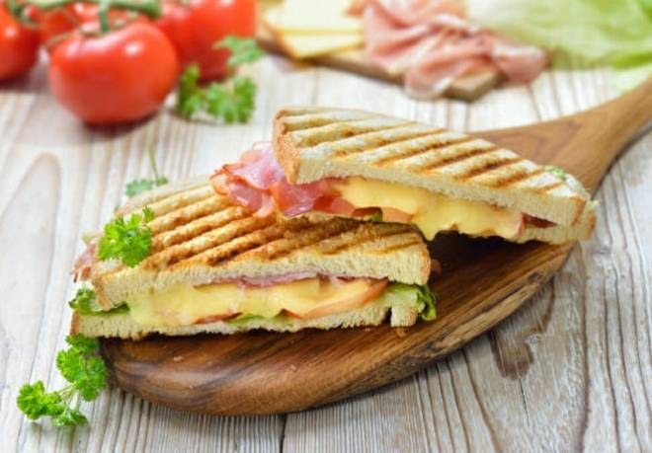
🍊 Restaurant Information

Name | Neelkamal Bombay Sandwich & Fast Food
Area | Karelibaug
Rating | 4.6
Total Ratings | 8 ratings
Cuisines | British, American
Cost for Two | ₹200 for two
Delivery Time | 44 mins
Swiggy URL | https://www.swiggy.com/city/vadodara/neelkamal-bombay-sandwich-and-fast-food-karelibaug-rest460978
Scraped On | 18 Mar 2026, 11:05 am

── Menu Stats ──
Total Items | 0
Veg Items | 0
Non-Veg Items | 0
Bestsellers | 0
Items with Photo | 0
Categories

