Info
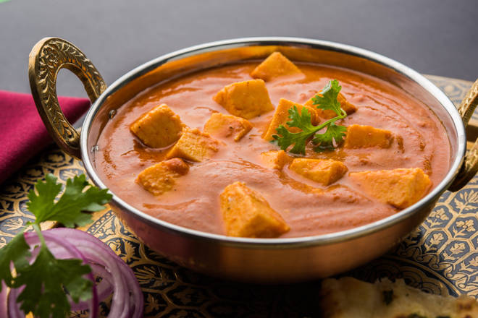
🍊 Restaurant Information

Name | New Alka Restaurant
Area | Alkapuri
Rating | 4
Total Ratings | 716 ratings
Cuisines | Chinese, South Indian
Cost for Two | ₹350 for two
Delivery Time | 28 mins
Swiggy URL | https://www.swiggy.com/city/vadodara/new-alka-restaurant-fatehgunj-alkapuri-rest77427
Scraped On | 18 Mar 2026, 10:59 am

── Menu Stats ──
Total Items | 162
Veg Items | 0
Non-Veg Items | 0
Bestsellers | 0
Items with Photo | 161
Categories | Recommended, Main Course, Lassi, Uttapam, South Indian Dishes, Dosa, Soups, Snacks, Starters, Noodles, Chinese Dishes, Fried Rice, Rice, Fried Rice , Rice , Biryani, Beverages, Special Dishes, Dessert, Breads, Biryani , Sandwiches, Accompaniments, Fresh Fruit Juices, Milkshakes, Falooda, Soft Beverages

