Info
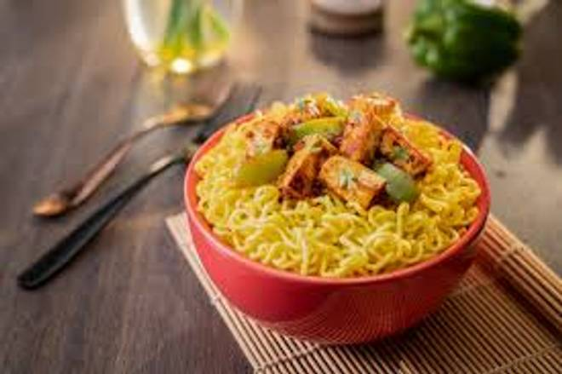
🍊 Restaurant Information

Name | Niyu'S Kitchen
Area | Manjalpur
Rating | --
Total Ratings | Too Few Ratings
Cuisines | Snacks, Beverages
Cost for Two | ₹200 for two
Delivery Time | 46 mins
Swiggy URL | https://www.swiggy.com/city/vadodara/niyus-kitchen-kashivishwanath-complex-manjalpur-rest915418
Scraped On | 18 Mar 2026, 11:03 am

── Menu Stats ──
Total Items | 18
Veg Items | 0
Non-Veg Items | 0
Bestsellers | 0
Items with Photo | 12
Categories | Recommended, Maggi, Beverages, Snacks

