Info
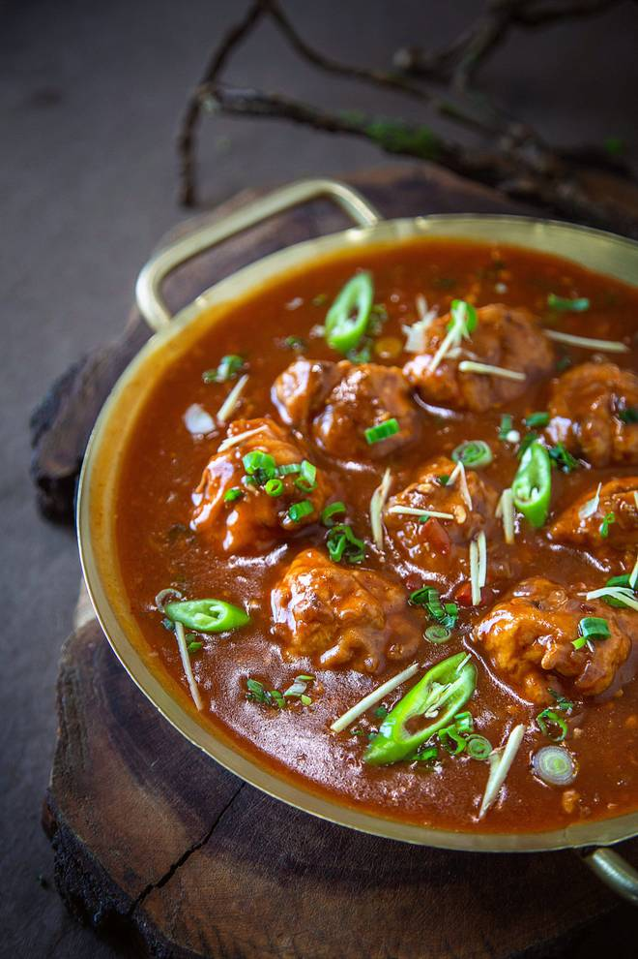
🍊 Restaurant Information

Name | Oriental Bowl
Area | Karelibaug
Rating | 4.6
Total Ratings | 16 ratings
Cuisines | Chinese, Asian
Cost for Two | ₹400 for two
Delivery Time | 41 mins
Swiggy URL | https://www.swiggy.com/city/vadodara/oriental-bowl-karelibaug-rest456956
Scraped On | 18 Mar 2026, 11:04 am

── Menu Stats ──
Total Items | 111
Veg Items | 0
Non-Veg Items | 0
Bestsellers | 0
Items with Photo | 40
Categories | Recommended, Main Course, Rice, Drinks, Starters, Roti, Noodles, Biryani, Papad, Pasta, Gravies, French Fries

