Info
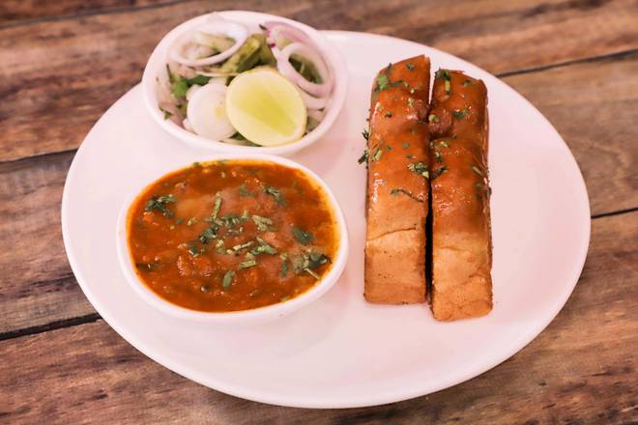
🍊 Restaurant Information

Name | Ours Kitchen
Area | Fatehgunj
Rating | --
Total Ratings | Too Few Ratings
Cuisines | Snacks, Beverages
Cost for Two | ₹299 for two
Delivery Time | 53 mins
Swiggy URL | https://www.swiggy.com/city/vadodara/ours-kitchen-near-anand-nagar-fatehgunj-rest708224
Scraped On | 18 Mar 2026, 11:01 am

── Menu Stats ──
Total Items | 45
Veg Items | 0
Non-Veg Items | 0
Bestsellers | 0
Items with Photo | 1
Categories | Recommended, Frankie, Maggi, Pizza, Puff, Bread, Beverages, Vada Pav, French Fries

