Info
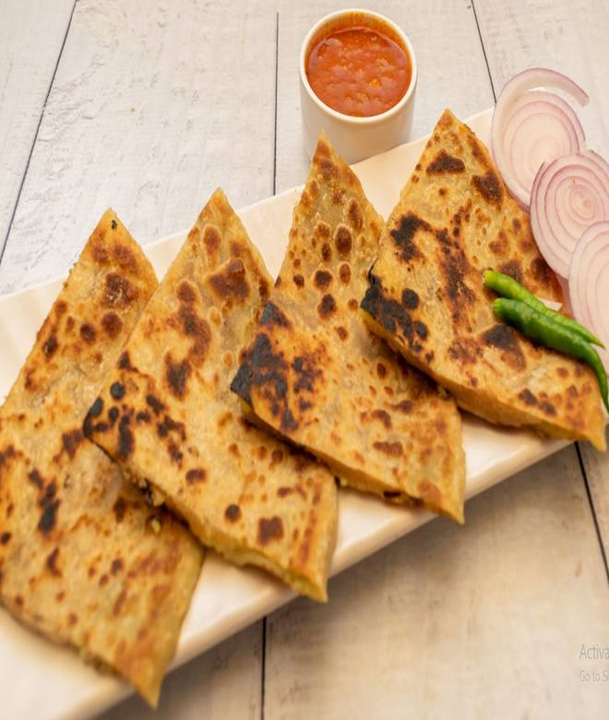
🍊 Restaurant Information

Name | Paratha Party
Area | Akota
Rating | 3.1
Total Ratings | 15 ratings
Cuisines | North Indian, Punjabi
Cost for Two | ₹100 for two
Delivery Time | 39 mins
Swiggy URL | https://www.swiggy.com/city/vadodara/paratha-party-akota-rest716410
Scraped On | 18 Mar 2026, 10:58 am

── Menu Stats ──
Total Items | 24
Veg Items | 0
Non-Veg Items | 0
Bestsellers | 0
Items with Photo | 23
Categories | Non-stuffed Paratha, Stuffed Paratha

