Info
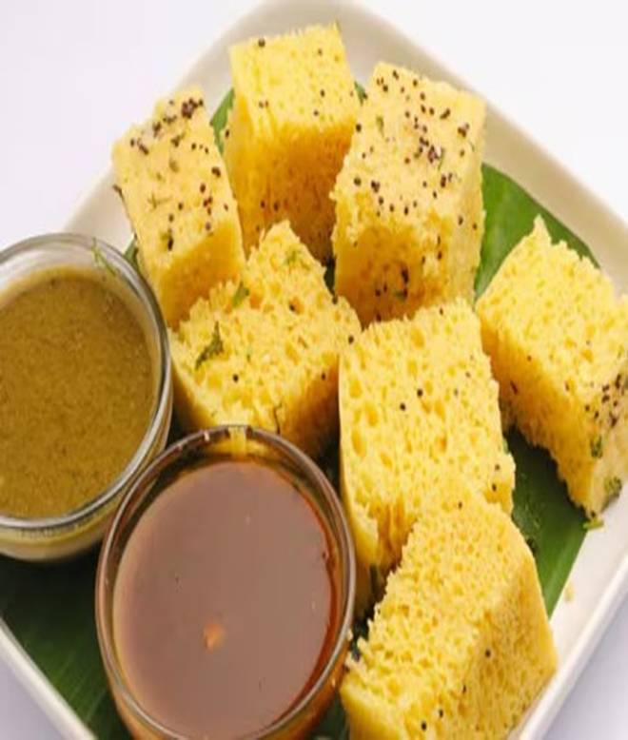
🍊 Restaurant Information

Name | Patel Gruhudyog
Area | Mandvi
Rating | 4.4
Total Ratings | 18 ratings
Cuisines | Gujarati, Fast Food
Cost for Two | ₹199 for two
Delivery Time | 50 mins
Swiggy URL | https://www.swiggy.com/city/vadodara/patel-gruhudyog-mandvi-rest1173789
Scraped On | 18 Mar 2026, 10:58 am

── Menu Stats ──
Total Items | 8
Veg Items | 0
Non-Veg Items | 0
Bestsellers | 0
Items with Photo | 6
Categories | Snacks, Sandwiches, Bread

