Info
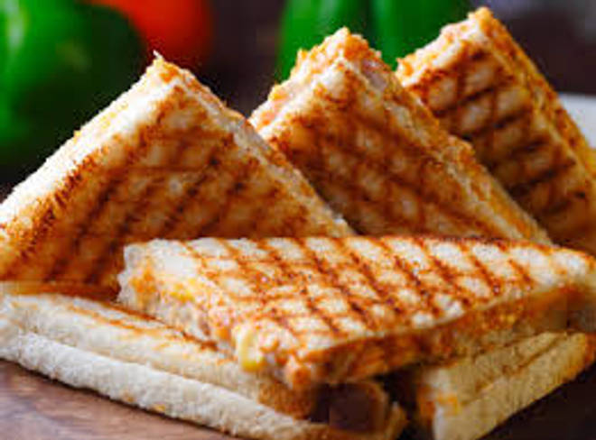
🍊 Restaurant Information

Name | Patel Omelette Center
Area | Mandvi
Rating | --
Total Ratings | Too Few Ratings
Cuisines | Street Food, Fast Food
Cost for Two | ₹200 for two
Delivery Time | 48 mins
Swiggy URL | https://www.swiggy.com/city/vadodara/patel-omelette-center-sayajinagar-mandvi-rest1026286
Scraped On | 18 Mar 2026, 11:03 am

── Menu Stats ──
Total Items | 19
Veg Items | 0
Non-Veg Items | 0
Bestsellers | 0
Items with Photo | 1
Categories | Starters, Rice, Snacks, Omelette, Main Course

