Info
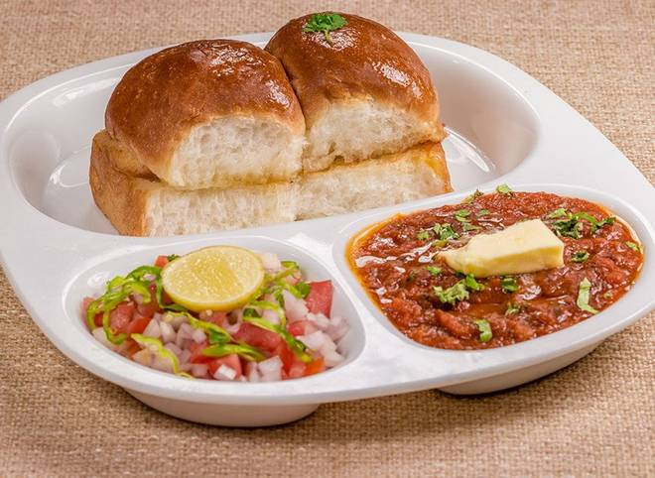
🍊 Restaurant Information

Name | Pav Bhaji Stattion
Area | Mandvi
Rating | --
Total Ratings | Too Few Ratings
Cuisines | Snacks, Fast Food
Cost for Two | ₹300 for two
Delivery Time | 51 mins
Swiggy URL | https://www.swiggy.com/city/vadodara/pav-bhaji-stattion-mandvi-rest952293
Scraped On | 18 Mar 2026, 10:59 am

── Menu Stats ──
Total Items | 14
Veg Items | 0
Non-Veg Items | 0
Bestsellers | 0
Items with Photo | 0
Categories | Pav Bhaji, Bun, Rice

