Info
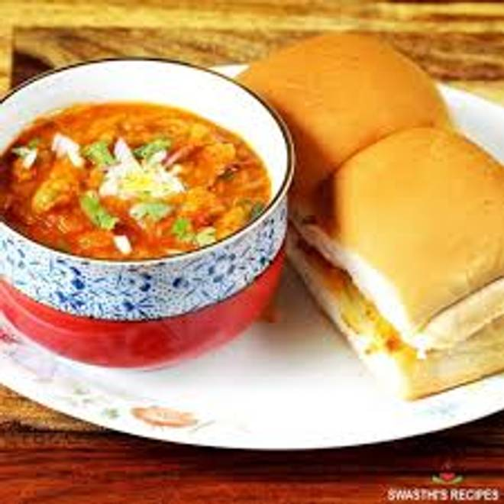
🍊 Restaurant Information

Name | Pav Bhaji Wala
Area | Mandvi
Rating | --
Total Ratings | Too Few Ratings
Cuisines | Street Food
Cost for Two | ₹199 for two
Delivery Time | 51 mins
Swiggy URL | https://www.swiggy.com/city/vadodara/pav-bhaji-wala-mandvi-rest1026464
Scraped On | 18 Mar 2026, 11:00 am

── Menu Stats ──
Total Items | 12
Veg Items | 0
Non-Veg Items | 0
Bestsellers | 0
Items with Photo | 1
Categories | Pav Bhaji, Rice

