Info
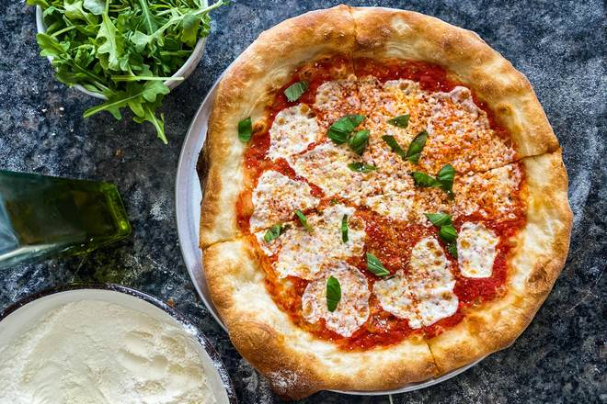
🍊 Restaurant Information

Name | Pizzawala's Gourmet Pizza
Area | Akota
Rating | 4.2
Total Ratings | 31 ratings
Cuisines | Pizzas, Salads
Cost for Two | ₹1350 for two
Delivery Time | 41 mins
Swiggy URL | https://www.swiggy.com/city/vadodara/pizzawalas-gourmet-pizza-sarabhai-complex-akota-rest779248
Scraped On | 18 Mar 2026, 11:02 am

── Menu Stats ──
Total Items | 39
Veg Items | 0
Non-Veg Items | 0
Bestsellers | 0
Items with Photo | 39
Categories | Detroit Style, Chicago Deep Dish Style, American Hand Tossed, Dips, Appetisers

