Info
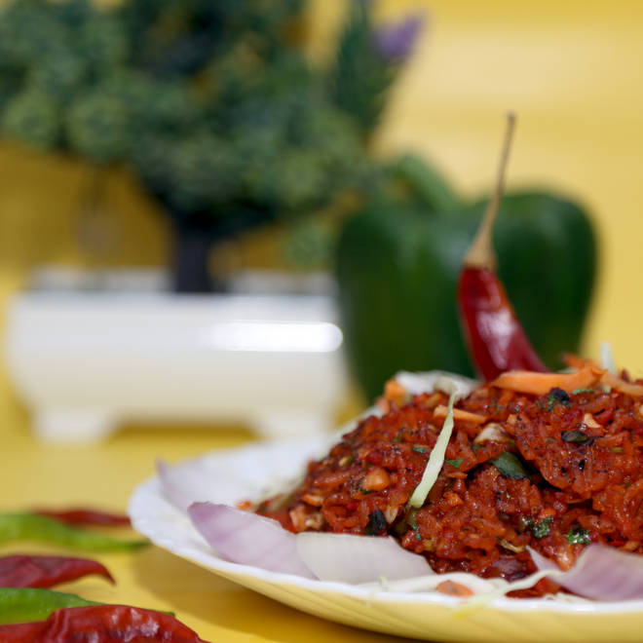
🍊 Restaurant Information

Name | Raat na chataka
Area | Karelibagh
Rating | --
Total Ratings | Too Few Ratings
Cuisines | North Indian, Chinese
Cost for Two | ₹350 for two
Delivery Time | 39 mins
Swiggy URL | https://www.swiggy.com/city/vadodara/raat-na-chataka-karelibagh-rest74066
Scraped On | 18 Mar 2026, 11:03 am

── Menu Stats ──
Total Items | 146
Veg Items | 0
Non-Veg Items | 0
Bestsellers | 0
Items with Photo | 68
Categories | Recommended, Main Course, Starters, Maggi, Soups, Quick Bite, Mini Meals, Holi Specials, Dessert, Beverages, Winter Special

