Info
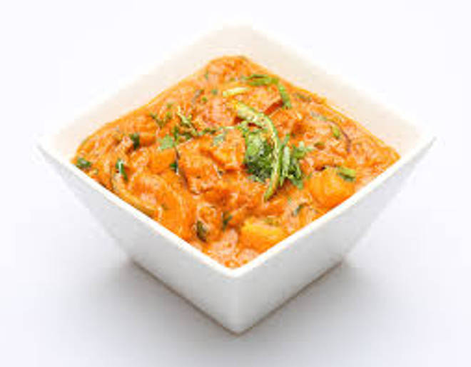
🍊 Restaurant Information

Name | Radhe Punjabi And Chinese
Area | Waghodia
Rating | --
Total Ratings | Too Few Ratings
Cuisines | Punjabi, Chinese
Cost for Two | ₹2 for two
Delivery Time | 46 mins
Swiggy URL | https://www.swiggy.com/city/vadodara/radhe-punjabi-and-chinese-waghodia-rest432970
Scraped On | 18 Mar 2026, 11:05 am

── Menu Stats ──
Total Items | 86
Veg Items | 0
Non-Veg Items | 0
Bestsellers | 0
Items with Photo | 39
Categories | Recommended, Punjabi, Chinese, Roti, Veg Sabji, Kaju Special

