Info
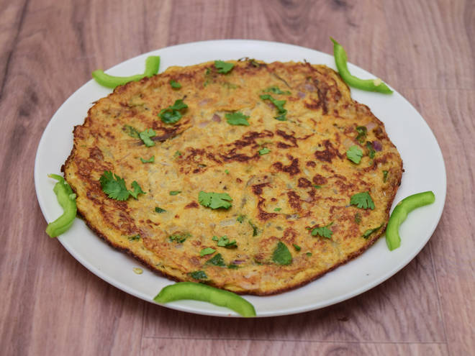
🍊 Restaurant Information

Name | Raju Omlet House
Area | Mandvi
Rating | 3.7
Total Ratings | 25 ratings
Cuisines | Snacks
Cost for Two | ₹300 for two
Delivery Time | 56 mins
Swiggy URL | https://www.swiggy.com/city/vadodara/raju-omlet-house-sayaji-nagar-mandvi-rest660049
Scraped On | 18 Mar 2026, 11:03 am

── Menu Stats ──
Total Items | 33
Veg Items | 0
Non-Veg Items | 0
Bestsellers | 0
Items with Photo | 11
Categories | Breakfast, 99 Store

