Info
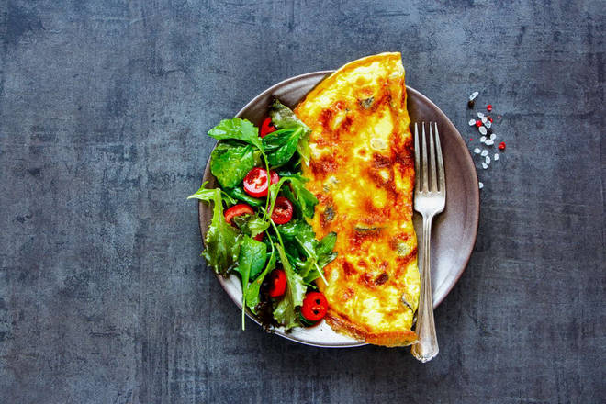
🍊 Restaurant Information

Name | Rashmi Omlet Centre
Area | Alkapuri
Rating | 4.2
Total Ratings | <3 ratings
Cuisines | Indian
Cost for Two | ₹200 for two
Delivery Time | 32 mins
Swiggy URL | https://www.swiggy.com/city/vadodara/rashmi-omlet-centre-alembic-road-alkapuri-rest378924
Scraped On | 18 Mar 2026, 10:57 am

── Menu Stats ──
Total Items | 5
Veg Items | 0
Non-Veg Items | 0
Bestsellers | 0
Items with Photo | 5
Categories | Recommended

