Info
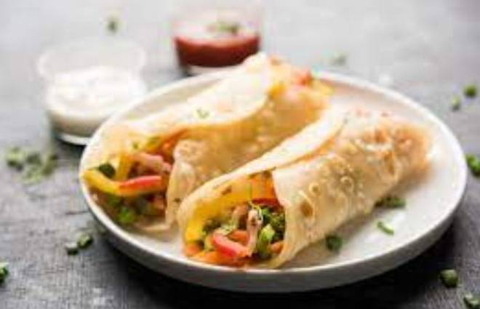
🍊 Restaurant Information

Name | Saasuji Foods
Area | Manjalpur
Rating | --
Total Ratings | Too Few Ratings
Cuisines | Bakery
Cost for Two | ₹300 for two
Delivery Time | 36 mins
Swiggy URL | https://www.swiggy.com/city/vadodara/saasuji-foods-manjalpur-rest1036401
Scraped On | 18 Mar 2026, 11:03 am

── Menu Stats ──
Total Items | 39
Veg Items | 0
Non-Veg Items | 0
Bestsellers | 0
Items with Photo | 0
Categories | Puff, Pizza 8 Inches, Burger And Sandwich, Snacks, Frankie

