Info
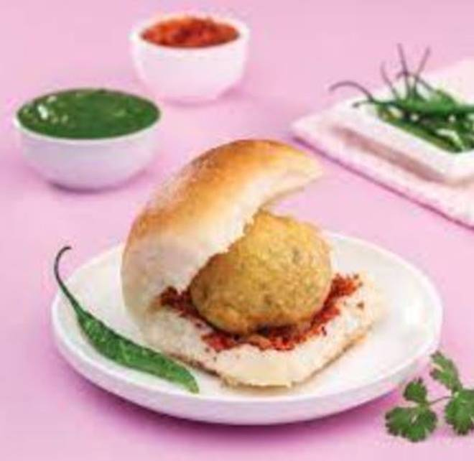
🍊 Restaurant Information

Name | Shree Jalaram Vadapav And Dabeli
Area | Manjalpur
Rating | --
Total Ratings | Too Few Ratings
Cuisines | Street Food, Snacks
Cost for Two | ₹100 for two
Delivery Time | 34 mins
Swiggy URL | https://www.swiggy.com/city/vadodara/shree-jalaram-vadapav-and-dabeli-manjalpur-rest1061127
Scraped On | 18 Mar 2026, 11:03 am

── Menu Stats ──
Total Items | 5
Veg Items | 0
Non-Veg Items | 0
Bestsellers | 0
Items with Photo | 4
Categories | Vadapav, Dabeli

