Info
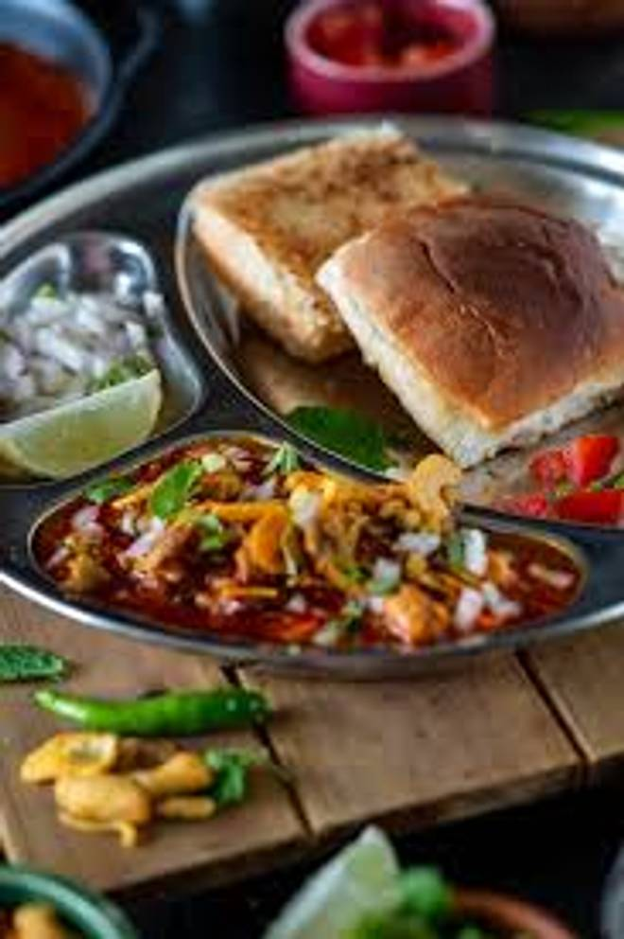
🍊 Restaurant Information

Name | Shree Nasta Center
Area | Akota
Rating | 4.7
Total Ratings | 7 ratings
Cuisines | Snacks
Cost for Two | ₹200 for two
Delivery Time | 30 mins
Swiggy URL | https://www.swiggy.com/city/vadodara/shree-nasta-center-akota-rest1053462
Scraped On | 18 Mar 2026, 10:57 am

── Menu Stats ──
Total Items | 5
Veg Items | 0
Non-Veg Items | 0
Bestsellers | 0
Items with Photo | 2
Categories | Potato Varieties

