Info
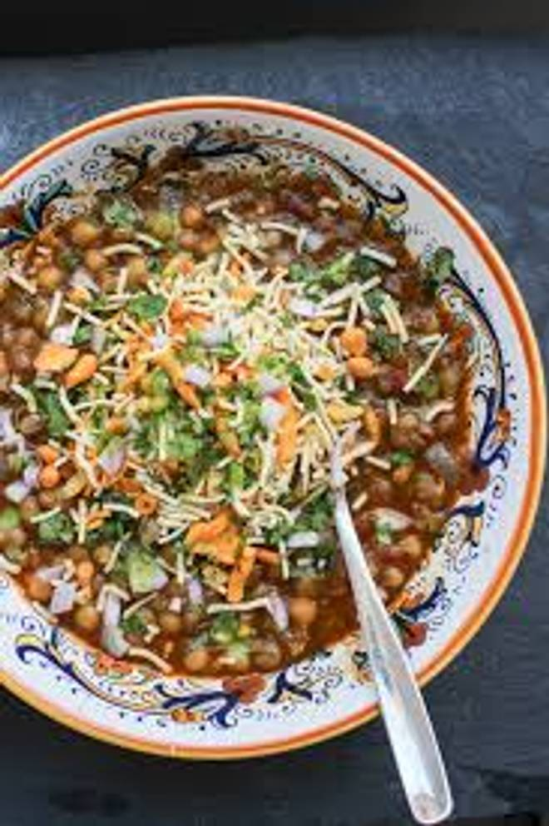
🍊 Restaurant Information

Name | Shree Ram Sev Usal
Area | Harni
Rating | --
Total Ratings | Too Few Ratings
Cuisines | Indian
Cost for Two | ₹200 for two
Delivery Time | 45 mins
Swiggy URL | https://www.swiggy.com/city/vadodara/shree-ram-sev-usal-harni-rest378393
Scraped On | 18 Mar 2026, 11:04 am

── Menu Stats ──
Total Items | 7
Veg Items | 0
Non-Veg Items | 0
Bestsellers | 0
Items with Photo | 0
Categories | Quick Bites

