Info
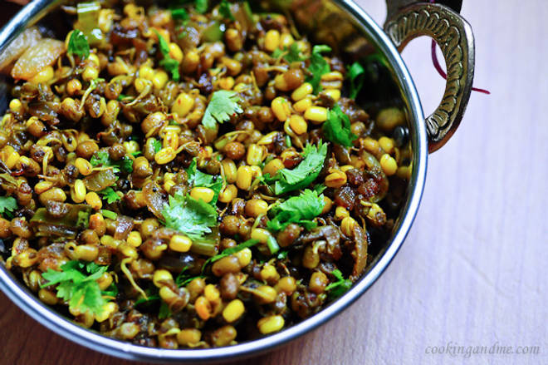
🍊 Restaurant Information

Name | Shree Sai Sev Usad and Pauva
Area | Alkapuri
Rating | --
Total Ratings | Too Few Ratings
Cuisines | Indian, Beverages
Cost for Two | ₹100 for two
Delivery Time | 28 mins
Swiggy URL | https://www.swiggy.com/city/vadodara/shree-sai-sev-usad-and-pauva-ganda-circle-alkapuri-rest481307
Scraped On | 18 Mar 2026, 10:56 am

── Menu Stats ──
Total Items | 5
Veg Items | 0
Non-Veg Items | 0
Bestsellers | 0
Items with Photo | 2
Categories | Potato Varieties

