Info
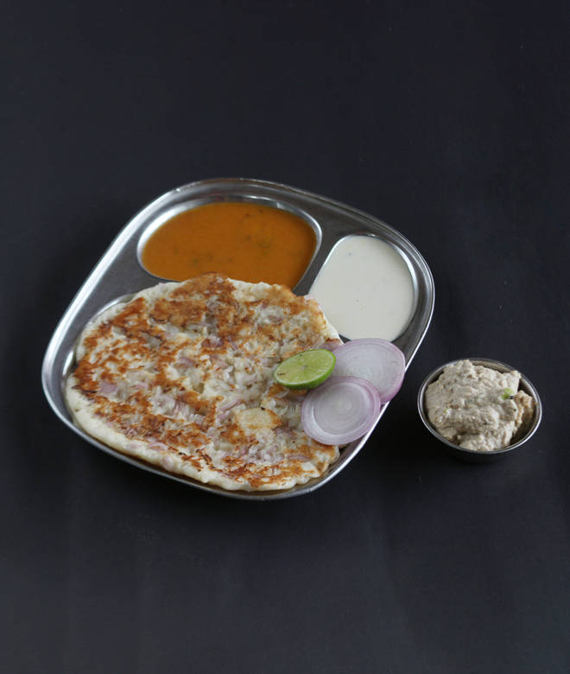
🍊 Restaurant Information

Name | Shree Tirupati Dhosa Corner
Area | Sayajipura
Rating | 4.7
Total Ratings | 5 ratings
Cuisines | Street Food, Indian
Cost for Two | ₹200 for two
Delivery Time | 44 mins
Swiggy URL | https://www.swiggy.com/city/vadodara/shree-tirupati-dhosa-corner-ajwa-road-sayajipura-rest353354
Scraped On | 18 Mar 2026, 11:04 am

── Menu Stats ──
Total Items | 0
Veg Items | 0
Non-Veg Items | 0
Bestsellers | 0
Items with Photo | 0
Categories

