Info
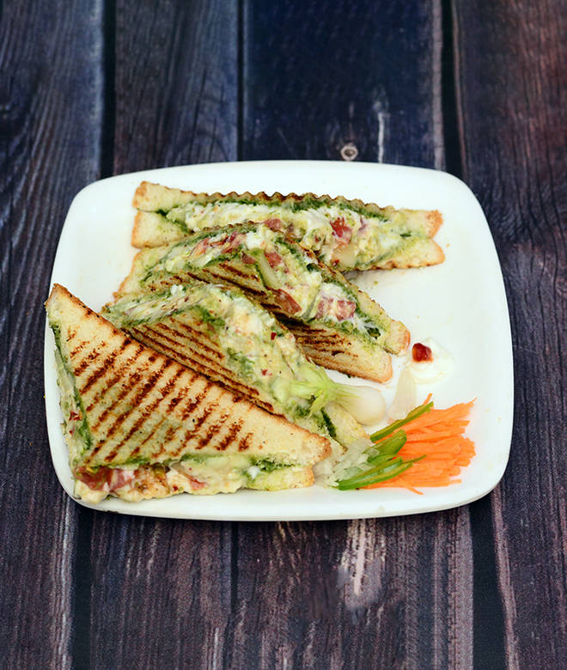
🍊 Restaurant Information

Name | Shreeji Bombay Sandwich And Pizza
Area | Sayajigunj
Rating | 3.7
Total Ratings | 85 ratings
Cuisines | Pizzas
Cost for Two | ₹300 for two
Delivery Time | 36 mins
Swiggy URL | https://www.swiggy.com/city/vadodara/shreeji-bombay-sandwich-and-pizza-sarod-sayajigunj-rest401633
Scraped On | 18 Mar 2026, 10:58 am

── Menu Stats ──
Total Items | 87
Veg Items | 0
Non-Veg Items | 0
Bestsellers | 0
Items with Photo | 23
Categories | Recommended, Sandwich, Pizza, Rice, Manchurian, Frankie, Pav Bhaji, Noodles, Cholle Kulcha, Burger, Shake 300Ml, French Fries, Jain Swami Narayan Dosa, Khichdi, Fresh Juice, Garlic Bread, Cold Coffee, Paneer Dishes, Biryani

