Info
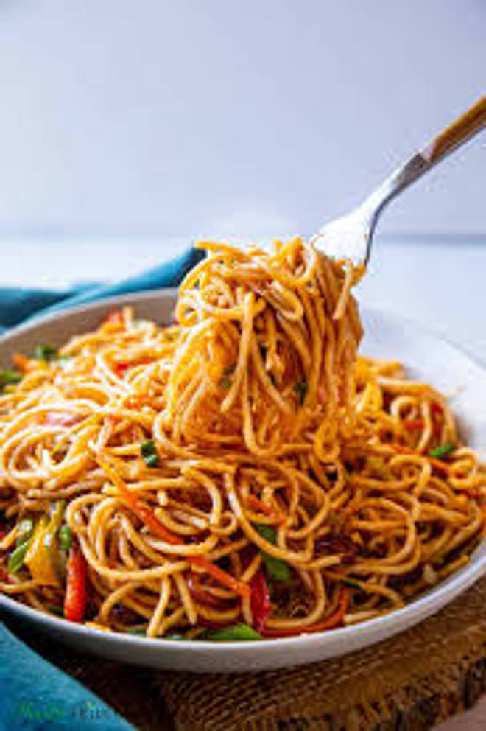
🍊 Restaurant Information

Name | Shriji Papdi no Loat
Area | Mandvi
Rating | 4.5
Total Ratings | 13 ratings
Cuisines | Fast Food
Cost for Two | ₹100 for two
Delivery Time | 52 mins
Swiggy URL | https://www.swiggy.com/city/vadodara/shriji-papdi-no-loat-mandvi-rest1287548
Scraped On | 18 Mar 2026, 10:57 am

── Menu Stats ──
Total Items | 36
Veg Items | 0
Non-Veg Items | 0
Bestsellers | 0
Items with Photo | 30
Categories | Quick Bites, Mains, Drinks, Rotis, Farali

