Info
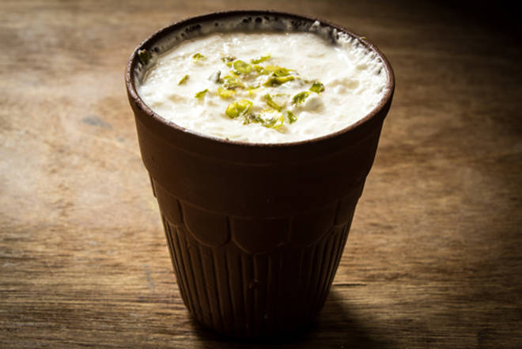
🍊 Restaurant Information

Name | Sistas Kitchen
Area | Kendranagar
Rating | 4.2
Total Ratings | 93 ratings
Cuisines | North Indian, Chinese
Cost for Two | ₹200 for two
Delivery Time | 53 mins
Swiggy URL | https://www.swiggy.com/city/vadodara/sistas-kitchen-rangmal-wadi-kendranagar-rest540058
Scraped On | 18 Mar 2026, 10:58 am

── Menu Stats ──
Total Items | 11
Veg Items | 0
Non-Veg Items | 0
Bestsellers | 0
Items with Photo | 7
Categories | Recommended, Farali/Upvas, Naste ki Aur

