Info
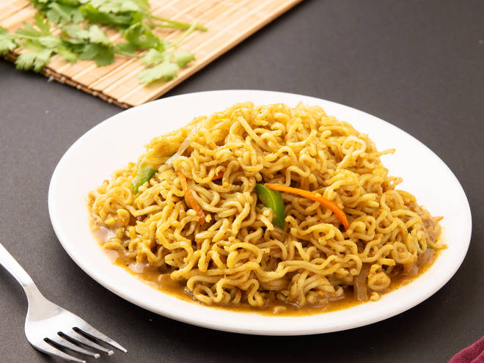
🍊 Restaurant Information

Name | Sizzling Chinese Fast Food
Area | Waghodia
Rating | --
Total Ratings | Too Few Ratings
Cuisines | Snacks, Fast Food
Cost for Two | ₹300 for two
Delivery Time | 47 mins
Swiggy URL | https://www.swiggy.com/city/vadodara/sizzling-chinese-fast-food-waghodia-rest479242
Scraped On | 18 Mar 2026, 11:06 am

── Menu Stats ──
Total Items | 51
Veg Items | 0
Non-Veg Items | 0
Bestsellers | 0
Items with Photo | 7
Categories | Recommended, Fried Rice, Noodles, Bhel, Soups, Specials, Bhel

