Info
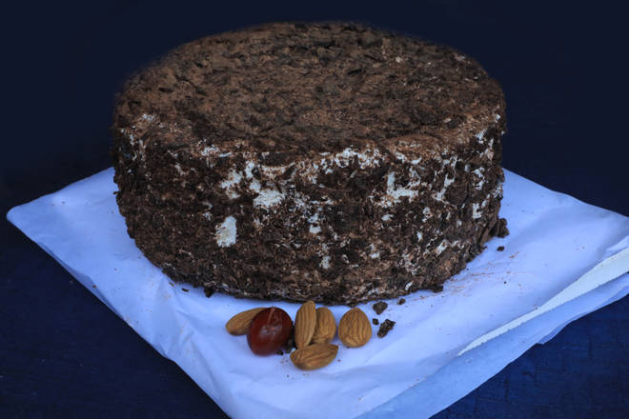
🍊 Restaurant Information

Name | Somya Home made Cakes
Area | Fatehgunj
Rating | --
Total Ratings | Too Few Ratings
Cuisines | Bakery
Cost for Two | ₹350 for two
Delivery Time | 44 mins
Swiggy URL | https://www.swiggy.com/city/vadodara/somya-home-made-cakes-harni-water-tank-fatehgunj-rest637226
Scraped On | 18 Mar 2026, 10:57 am

── Menu Stats ──
Total Items | 28
Veg Items | 0
Non-Veg Items | 0
Bestsellers | 0
Items with Photo | 2
Categories | Cakes

