Info
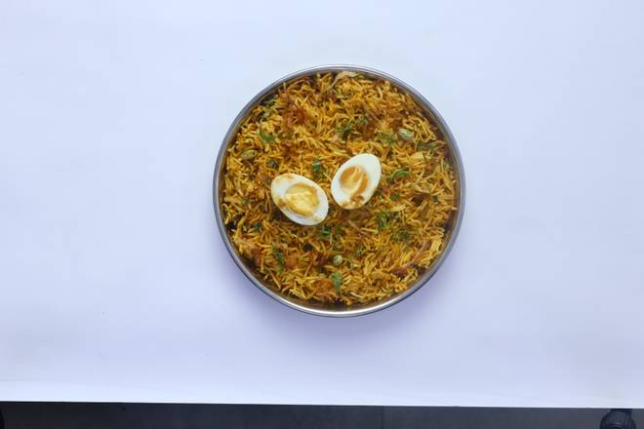
🍊 Restaurant Information

Name | Surti Egg Center
Area | Sayajipura
Rating | 4.6
Total Ratings | 18 ratings
Cuisines | Indian, Snacks
Cost for Two | ₹200 for two
Delivery Time | 52 mins
Swiggy URL | https://www.swiggy.com/city/vadodara/surti-egg-center-sayaji-nagar-sayajipura-rest594688
Scraped On | 18 Mar 2026, 11:02 am

── Menu Stats ──
Total Items | 34
Veg Items | 0
Non-Veg Items | 0
Bestsellers | 0
Items with Photo | 22
Categories | Recommended, Quick Bites

