Info
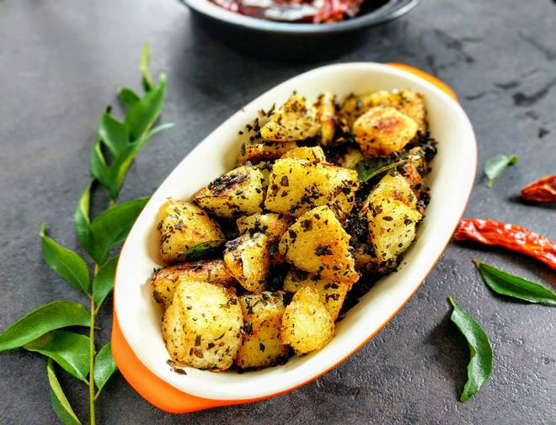
🍊 Restaurant Information

Name | Swagath Kitchen
Area | Harni
Rating | 3.7
Total Ratings | 4 ratings
Cuisines | South Indian, Indian
Cost for Two | ₹200 for two
Delivery Time | 42 mins
Swiggy URL | https://www.swiggy.com/city/vadodara/swagath-kitchen-harni-rest449344
Scraped On | 18 Mar 2026, 11:04 am

── Menu Stats ──
Total Items | 32
Veg Items | 0
Non-Veg Items | 0
Bestsellers | 0
Items with Photo | 7
Categories | Recommended, South Indian, Rice, Accompaniments, Breads, Quick Bites

