Info
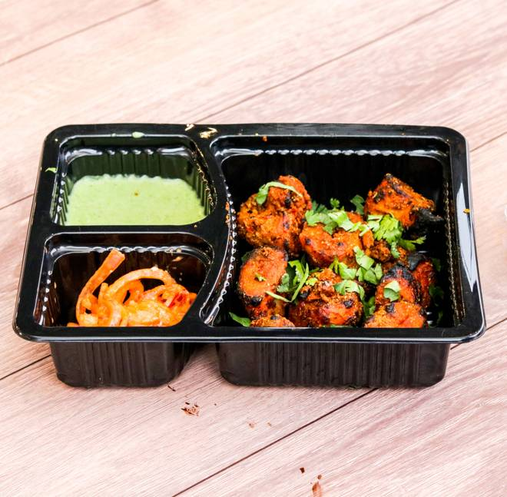
🍊 Restaurant Information

Name | Tandoori Chaska
Area | Waghodia
Rating | --
Total Ratings | Too Few Ratings
Cuisines | Tandoor, North Indian
Cost for Two | ₹300 for two
Delivery Time | 44 mins
Swiggy URL | https://www.swiggy.com/city/vadodara/tandoori-chaska-waghodia-rest464930
Scraped On | 18 Mar 2026, 11:05 am

── Menu Stats ──
Total Items | 0
Veg Items | 0
Non-Veg Items | 0
Bestsellers | 0
Items with Photo | 0
Categories

